Convert DD Usage to Coralogix
DD Usage |  |  |  |  |  |   |  | 

Infra Hosts | Custom Metrics | Indexed Logs - Live & Rehydrated (Million) | Indexed Logs - 3 Day Retention (Million) | Rum Sessions | Serverless Invocation
1494 | 191,000 | 5 |  |  | 8,157,895
Ingested Spans (GB) | Indexed Spans (Million) | Ingested Logs (Live & Rehydrated) (GB) | Indexed Logs - 7 Day Retention (Million) | Analyzed Logs - (Security) - 15m retention (GB) | Fargate Tasks
157 | 0 | 0 | 0 | 0 | 68
APM Hosts | Profiled Hosts | Containers | Profiled Containers | Custom Events | Serverless Workload Functions
42 | 0 | 4843 | 0 | 33,000
Error Tracking Events | APM Fargate Tasks | Profiled Fargate Tasks
0 | 0 | 0
 |  |  |  |  |  | Convert Hourly
Coralogix Sizing |  |  |  |  |  |  | Hourly | Hosts
 |  |  |  |  |  | Infra Hosts | 978,000 | 1494 | Enter Hourly Infra Hosts
Logs |  |  |  | Logs |  | Containers | 3,170,000 | 4843 | Enter Hourly Containers
Total Ingested Logs | 0 | GB/month |  | #DIV/0! | Current indexed percentage | Profiled Containers | 0 | 0 | Enter Hourly Profiled Containers
Avg log size | 2.50 | KB |  | 0 | Total GB Logs / Day | APM Hosts | 27,800 | 42 | Enter Hourly APM Hosts
Total Indexed Logs | 5,000,000 | Logs/month |  | 0 | GB / Day (FS) / 50% | Profiled Hosts | 0 | 0 | Enter Hourly Profiled Hosts
Total Indexed Logs Size (Bytes) | 12,800,000,000 | Bytes/month |  | 0 | GB / Day (Mon) / 40% | Network hosts | 0 | 0 | Enter Hourly Network hosts
Total Indexed Logs Size (GB) | 11.92 | GB/month |  | 0 | GB/ Day (Comp) / 10% | Custom Metric Hours | 0 | 0 | Enter Hourly Custom Metrics
Total Indexed (GB) | 0.40 | GB / Day
 |  |  |  | Metrics |  |  | Monthly | Daily
Metrics |  |  |  | 5,842,039 | TS (NumSeries) | Serverless Workload Functions | 0 | 0 | Enter Monthly Serverless Workload Functions
Hosts | 1604 |  |  | 5842 | GB / Day | RUM Sessions | 0 | 0 | Enter Monthly RUM Sessions
Containers | 4,843 |  |  | 0.000033 | TS to Units | Serverless Invocations | 248,000,000 | 8,157,895 | Enter Monthly Serverless Invocations
Serverless Workload Functions | 0 | TS (NumSeries)
Serverless Invocation | 815,789 | TS (NumSeries) | 3 metric labels × 10% unique dimensions × daily invocations | 193 | Metrics Units / Day
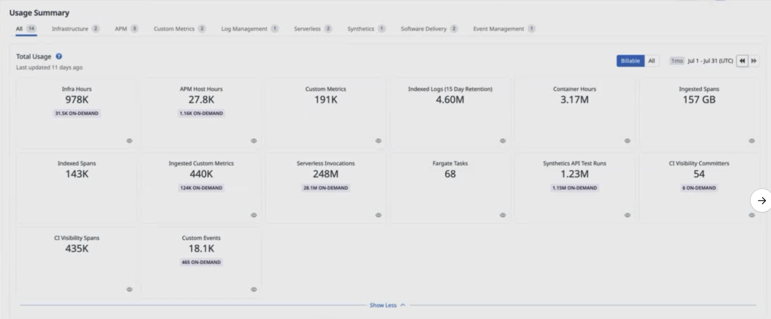
AVG 750 time series per node | 4,835,250 | TS (NumSeries)
Custom Metrics | 191,000 | TS (NumSeries) |  | Tracing
Promethues Metrics |  | NumSeries |  | 0.03% | Current indexed percentage
 |  |  |  | 5 | Total GB / Day (Ingest)
Tracing |  |  |  | 0 | Indexed Tracing GB/Day
Avg span size | 2 | KB |  | 5 | GB Traces Archive
Ingested spans | 157 | GB/Month |  | 0 | GB Traces Indexed
Indexed spans | 0 | GB/Month
Daily Ingested spans (Bytes) | 5 | GB/Month |  | Totals
 |  |  |  | Logs (GB) | 0
 |  |  |  | Metrics (NS) | 5,842,039
 |  |  |  | Tracing (GB) | 5
 |  |  |  | RUM Sessions
 |  |  |  | RUM Errors | 0

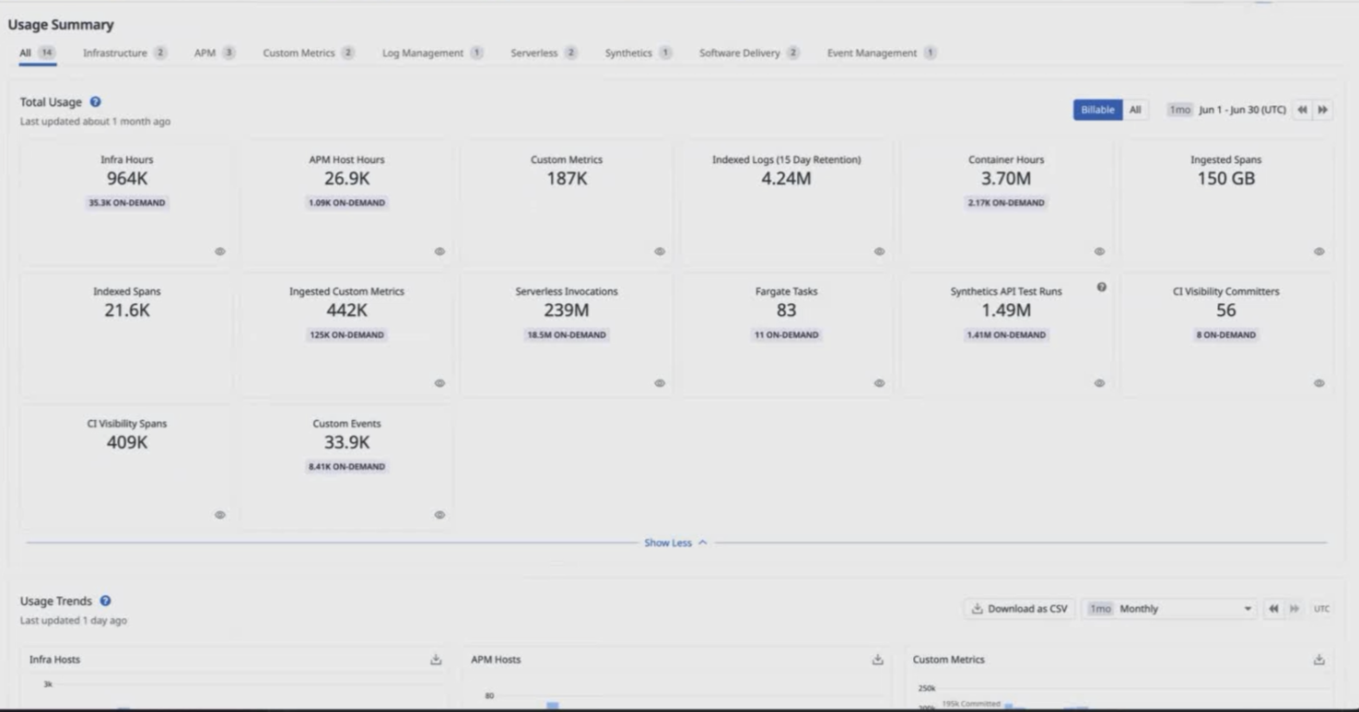

 |  |  |  | Apply this information to the TCO Calculator

